Task I - II
Test ID | Test Scenario | Description | Pre-Conditions | Test Steps | Test Data | Expected Result | Actual Result | Screen Shoots | Status | Version | Device | Application | Connection | Excuted By | Created By | Viewed By | Test Date
TC_1_US1 | Verify a new customer gets 15% discount on first purchase | Verify that a new customer recevies a 15% discount in all purchases when opening a credit card account | The user is a new customer | 1- Open the website and create a new customer account 2- Log in using new credentials 3- Select a products and add to cart 4- Proceed to checkout 5- Apply the credit card and confirm the discount is applied | 1- User created sign up with username "Ahmed_Aly" and password "123456" 3- Select "Samsung galaxy s6" from phones category and phone price "360 USD" 5- Credit Card number "9517538524567896" | The system should display a 15% discount applied to the total price at checkout | No discount applied: The website does not support any discount functionality | 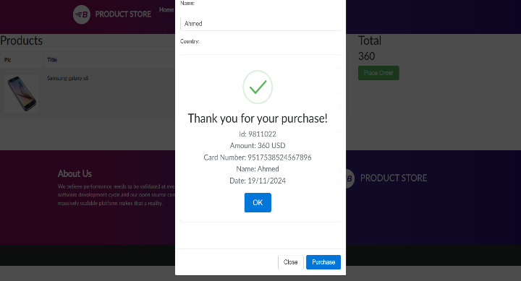 | Fail | V1 | Lenovo | Web Chrome | 4G | Eng. HaZim Aly | Eng. HaZim Aly |  | 19/12/2024
TC_2_US1 | Verify existing customer with loyalty card gets 10% discount | Verify that an existing customer with a loyalty card recives a 10% discount | The user is an existing customer and has a valid loyalty card | 1- Open the website and login 2- Add items to the cart 3- Enter loyalty card details at checkout 4- Verify the 10% discount is applied to the total | 1- User login with username "Ahmed_Aly" and password "123456" 2- Select "Samsung galaxy s6" from phones category and phone price "360 USD" 3- No loyalty card details entered Proceed to checkout directly | The system should apply 10% discount to the order total | No discount applied: The website does not support any discount functionality | 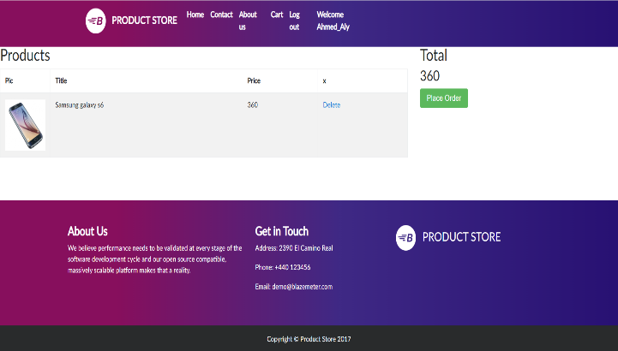 | Fail
TC_3_US1 | Verify coupon discount of 20% without new customer discount | Verify that a customer can use a coupon for a 20% discount but cannot combine it with the new customer discount | The customer has a valid coupon | 1- Open the website and login as a new customer 2- Add items to the cart 3- Apply a coupon for a 20% discount 4- Verify that the 20% discount is applied and the 15% new customer discount is not | 1- User registered and logged with username "Hazim_Khalifa" and password "1234567" 2- Select "Samsung galaxy s6" from phones category and phone price "360 USD" 3- No loyalty card details entered Proceed to checkout directly 4- No discount applied Total price remains: "360 USD" No discount message shown | The 20% coupon discount should be applied and the 15% new customer should not be available | No discount applied: The website does not support any discount functionality | 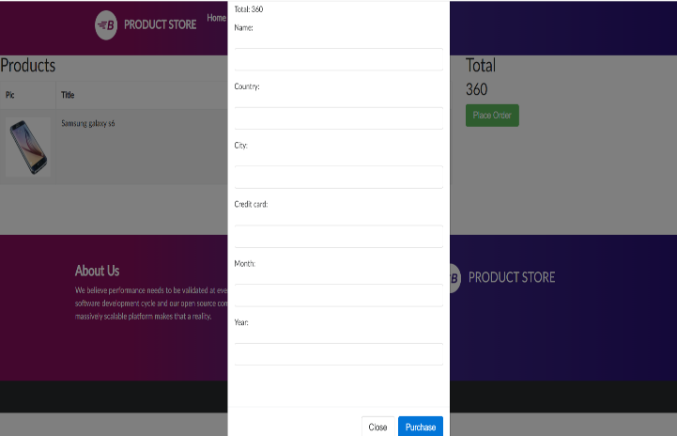 | Fail
TC_4_US1 | Verify new customer cannot use coupon with discount | Verify that new customer cannot use a coupon discount in addition to the 15% new customer discount | The customer is a new customer with a valid coupon | 1- Open the website and login as a new customer 2- Add items to the cart 3- Apply both the new customer discount and the coupon 4- Verify that only the new customer discount is applied and the coupon is rejected | 1- User registered and logged with username "Hazim_Khalifa" and password "1234567" 2- Select "Samsung galaxy s6" from phones category and phone price "360 USD" 3- No loyalty card details entered Proceed to checkout directly 4- No discount applied Total price remains: "360 USD" No discount message shown | Only the new customer discount 15% should be applied and the coupon should not be valid | No discount applied: The website does not support any discount functionality |  | Fail
TC_5_US1 | Verify total discount calculation | Verify the total discount calculation when multiple discounts are applicable | The customer is a either new or has a loyalty card | 1- Open the website and login as an existing customer with a loyalty card 2- Add items to the cart 3- Apply 10% loyalty discount 4- Add a coupon and apply the 20% discount if applicable 5- Verify that the discounts are properlycalculated and displayed in the order summery | 1- User registered and logged with username "Hazim_Khalifa" and password "1234567" 2- Select "Samsung galaxy s6" from phones category and phone price "360 USD" 3- No loyalty card details entered Proceed to checkout directly 4- No discount applied Total price remains: "360 USD" No discount message shown | The discounts should be correctly applied and the final price should reflect all applicable discounts | No discount applied: The website does not support any discount functionality |  | Fail
TC_6_US1 | Customer without Loyalty Card or Coupon | User is an existing customer without discounts | User is an existing customer without discounts | 1- Open the website and login as an existing customer with a loyalty card 2- Add items to the cart 3- Apply for credit card 4- Make a purchase | 1- User registered and logged with username "Hazim_Khalifa" and password "1234567" 2- Select "Samsung galaxy s6" from phones category and phone price "360 USD" 3- Fill credit card number "9517538524567896" 4- Click on purchase button | No discount should be applied | Purchase successfully |  | Pass
TC_7_US1 | Discount Application Order (New + Coupon) | Verify the total discount calculation when multiple discounts are applicable | User is a new customer with a coupon | 1- Open the website and Log in as new customer 2- Apply for credit card 3- Use valid coupon 4- Verify that new customer discount is applied first and the coupon is ignored | 1- User registered and logged with username "Mazen_Magdi" and password "123456789" 2- Select "Samsung galaxy s6" from phones category and phone price "360 USD" 3- No loyalty card details entered Proceed to checkout directly 4- No discount applied Total price remains: "360 USD" No discount message shown | New customer discount should be applied (coupon is ignored) | No discount applied: The website does not support any discount functionality |  | Fail
TC_8_US1 | Loyalty Card Discount for New Customer | User is a new customer with a loyalty card | The customer is a either new or has a loyalty card | 1- Open the website and login as an existing customer with a loyalty card 2- Add items to the cart 3- Make a purchase | 1- User registered and logged with username "Hazim_Khalifa" and password "1234567" 2- Select "Samsung galaxy s6" from phones category and phone price "360 USD" 3- No loyalty card details entered Proceed to checkout directly 4- No discount applied Total price remains: "360 USD" No discount message shown | Only new customer discount should be applied, not the loyalty card discount | No discount applied: The website does not support any discount functionality |  | Fail
TC_9_US1 | New Customer Discount with Loyalty Card | Verify the total discount calculation when multiple discounts are applicable | User is a new customer with a loyalty card | 1- Open the website and login as an existing customer with a loyalty card 2- Add items to the cart 3- Make a purchase | 1- User registered and logged with username "Hazim_Khalifa" and password "1234567" 2- Select "Samsung galaxy s6" from phones category and phone price "360 USD" 3- No loyalty card details entered Proceed to checkout directly 4- No discount applied Total price remains: "360 USD" No discount message shown | Only new customer discount (15%) should be applied, not the loyalty card discount | No discount applied: The website does not support any discount functionality |  | Fail
TC_10_US1 | Verify Coupon Expiration | Validate that expired coupons cannot be applied during checkout | User has an expired coupon code | 1- Open the website and Log in as new or existing customer 2- Add items to the cart 3- Apply for credit card 4- Enter expired coupon code | 1- User registered and logged with username "Hazim_Khalifa" and password "1234567" 2- Select "Samsung galaxy s6" from phones category and phone price "360 USD" 3- Credit card number "9517538524567896" 4- Expired coupon code | The discounts should be correctly applied and the final price should reflect all applicable discounts | No discount applied: The website does not support any discount functionality |  | Fail
TC_11_US1 | Verify Loyalty Card Expiration | Ensure that expired loyalty cards cannot be used for transactions | User has an expired loyalty card | 1- Open the website and Log in as existing customer with expired loyalty card 2- Add items to the cart 3- Apply for credit card 4- Make a purchase | 1- User registered and logged with username "Hazim_Khalifa" and password "1234567" 2- Select "Samsung galaxy s6" from phones category and phone price "360 USD" 3- Credit card number "9517538524567896" 4- Expired loyalty card | Loyalty card should not apply any discount | No discount applied: The website does not support any discount functionality |  | Fail
TC_12_US1 | Validate Discount on Multiple Purchases | Verify that the correct discount is applied when purchasing multiple items | User is a new customer | 1- Open the website and Log in as new customer 2- Make two separate purchases on the same day 3- Apply for credit card 4- Verify that 15% discount is applied to both purchases | 1- User registered and logged with username "Fawzy_Khalifa" and password "1234567" 2- Select "Samsung galaxy s6" from phones category and phone price "360 USD" 3- Credit card number "9517538524567896" | 15% discount should apply to both separate purchases on the same day | No discount applied: The website does not support any discount functionality |  | Fail
TC_1_US2 | Product Stock Decreased after Adding | Ensure that the product stock decreases by one after adding an item to the cart | User is logged in, product is in stock | 1- Open the website and Log in as customer 2- Browse the product from category 3- Add a product to the cart 4-Verify that the stock quantity decreases by 1 | 1- User registered and logged with username "Alaa_Wagih" and password "A852741" 2- Select "Samsung galaxy s6" from phones category and phone price "360 USD" 3- Product details (in stock) | Stock count decreases by 1 | The website does not support stock count tracking or display any stock-related information for products |  | Fail
TC_2_US2 | Product Removed from Cart Doesn’t Affect Stock | Verify that removing a product from the cart does not restore the stock quantity | Product is removed from cart | 1- Open the website and Log in as customer 2- Add items to the cart 3- Remove it from the cart 4- Verify that stock count remains unchanged | 1- User registered and logged with username "Hazim_Khalifa" and password "1234567" 2- Select "Samsung galaxy s6" from phones category and phone price "360 USD" 3- Credit card number "9517538524567896" 4- Product details (in stock) | Stock count should remain unchanged after removal from cart | The website does not support stock count tracking or display any stock-related information for products |  | Fail
TC_3_US2 | Add Multiple Products to Cart | Validate that multiple products can be added to the cart successfully | User is logged in, multiple products are available | 1- Open the website and Log in as customer 2- Add multiple products to the cart 3- Verify that all products are in the cart | 1- User registered and logged with username "Hazim_Khalifa" and password "1234567" 2- Select "Samsung galaxy s6"&"Nokia lumia 1520" from phones category and phones prices "1180 USD" 3- Multiple product details | All selected products should be added to the cart | Products added successfully |  | Pass
TC_4_US2 | Cart Display Updates after Adding Product | Ensure that the cart display updates correctly after a product is added | User is logged in, product is in stock | 1- Open the website and Log in as customer 2- Add items to the cart 3- Verify that the cart icon updates to reflect the number of items in the cart | 1- User registered and logged with username "Hazim_Khalifa" and password "1234567" 2- Select "Samsung galaxy s6"&"Nokia lumia 1520" from phones category and phones prices "1180 USD" 3- Product list (in-stock and out-of-stock) | Cart icon should update to show the correct number of items | The website does not support stock count tracking or display any stock-related information for products and cart icon updates to reflect the number of items in the cart |  | Fail
TC_5_US2 | Cart Availability Check | Verify that the cart is accessible and functional for the user at all times | User is logged in, some products may be out of stock | 1- Open the website and Log in as customer 2- Add both in-stock and out-of-stock products to cart 3- Verify that the cart reflects product availability status | 1- User registered and logged with username "Hazim_Khalifa" and password "1234567" 2- Select "Samsung galaxy s6"&"Nokia lumia 1520" from phones category and phones prices "1180 USD" | Cart should show which products are out of stock | The website does not support stock count tracking or display any stock-related information for products |  | Fail
TC_6_US2 | Cart Persistence after Logout | Ensure that the cart retains its items when the user logs out and logs back in | User is logged in, cart has products | 1- Open the website and Log in as customer 2- Add items to the cart 3- Log out of the account 4- Log back in and verify that the products are still in the cart | 1- User registered and logged with username "Hazim_Khalifa" and password "1234567" 2- Select "Samsung galaxy s6" from phones category and phone price "360 USD" 3- Log out 4- Product details | Cart products should persist after log out and log in | When added products in the cart with logged in and log out and check products are still in the cart the result remove all products from the cart |  | Fail
TC_7_US2 | Product Added to Cart and Stock Decreased | Verify that when a product is added to the cart, the stock quantity is correctly decreased in the inventory system | User is logged in, product is in stock | 1- Open the website and Log in as customer 2- Add items to the cart 3- Verify that stock is reduced by 1 | 1- User registered and logged with username "Hazim_Khalifa" and password "1234567" 2- Select "Samsung galaxy s6" from phones category and phone price "360 USD" 3- Product details (in stock) | Stock should decrease by 1 after adding product to the cart | The website does not support stock count tracking or display any stock-related information for products |  | Fail
TC_8_US2 | Product Added to Cart and Stock Not Decreased if Item Removed | Verify that if a product is added to the cart and then removed, the stock quantity is not decreased in the inventory | User is logged in, product is in stock | 1- Open the website and Log in as customer 2- Add items to the cart 3- Remove it from the cart 4- Verify that stock count remains unchanged | 1- User registered and logged with username "Hazim_Khalifa" and password "1234567" 2- Select "Samsung galaxy s6" from phones category and phone price "360 USD" 3- Credit card number "9517538524567896" 4- Product details (in stock) | Stock should not change after removing product from cart | The website does not support stock count tracking or display any stock-related information for products |  | Fail
TC_9_US2 | Cart Display After Adding Product | Verify that after adding a product to the cart, the cart display is updated correctly to reflect the added item | User is logged in, product is available | 1- Open the website and Log in as customer 2- Add items to the cart 3- Verify the cart display correctly reflects the added item | 1- User registered and logged with username "Hazim_Khalifa" and password "1234567" 2- Select "Samsung galaxy s6" from phones category and phone price "360 USD" 3- Product details | Cart should display the added item "Samsung galaxy s6" correctly | Products added successfully |  | Pass

Task III POST
Test ID | Test Scenario | Description | Pre-Conditions | Test Steps | Test Data | Expected Result | Actual Result | Screen Shoots | Status | Version | Device | Application | Connection | Excuted By | Created By | Viewed By | Test Date
TC001 | User login with valid credentials | Login with valid credentials and all mandatory fields | User have a valid URL | 1- Open Postman 2- Putting the URL 3- Select POST requist 4- Go to the body and write valid (email , password , device_token , device_unique_id , version , device_type) 5- Go to script and write test script 6- Click on Send Button | 1-Open Postman 2- Putting URL "https://backend-staging.elevateegypt.com/userapi/login/" 3- Select POST requist 4- Writ valid credentials A- Email : "sapopi1262@gianes.com" B- Password : "123" C- device_token : "c_0U19fOSFyH9qHU5cSvVS:APA91bHIJwv1cDzqmywE4mYAHMSuYN7HhU8WPPmluVLnbSr7bhpFbzNhdpLc_ybLpFyxxuk7dYgYFPQ1iY_jp8UXgksBY2OxX_Ls8ZgmnDYA7oP1uyYf7zf45cZz7FGE2ITGuq03gcKb" D- device_unique_id : "94b64d4fb919775f" E- version : "1.0.28" F- device_type : "a" 5- Test Script : "pm.test(Status code is 200) | Response : status code of 200 | Response : status code of 200 |  | Pass | V1 | Lenovo | Postman | 4G | Eng. HaZim Aly | Eng. HaZim Aly |  | 19/12/2024
TC002 | User login with Invalid credentials | Login with invalid email | User have a valid URL | 1- Open Postman 2- Putting the URL 3- Select POST requist 4- Go to the body and write invalid (email) and, valid (password , device_token , device_unique_id , version , device_type) 5- Go to script and write test script 6- Click on Send Button | 1-Open Postman 2- Putting URL "https://backend-staging.elevateegypt.com/userapi/login/" 3- Select POST requist 4- Writ valid credentials A- Email : "INVALID_EMAIL" B- Password : "123" C- device_token : "c_0U19fOSFyH9qHU5cSvVS:APA91bHIJwv1cDzqmywE4mYAHMSuYN7HhU8WPPmluVLnbSr7bhpFbzNhdpLc_ybLpFyxxuk7dYgYFPQ1iY_jp8UXgksBY2OxX_Ls8ZgmnDYA7oP1uyYf7zf45cZz7FGE2ITGuq03gcKb" D- device_unique_id : "94b64d4fb919775f" E- version : "1.0.28" F- device_type : "a" 5- Test Script : "pm.test(Status code is 200) | Response 400 with error message for invalid email | Response 200 with access token and user ID | 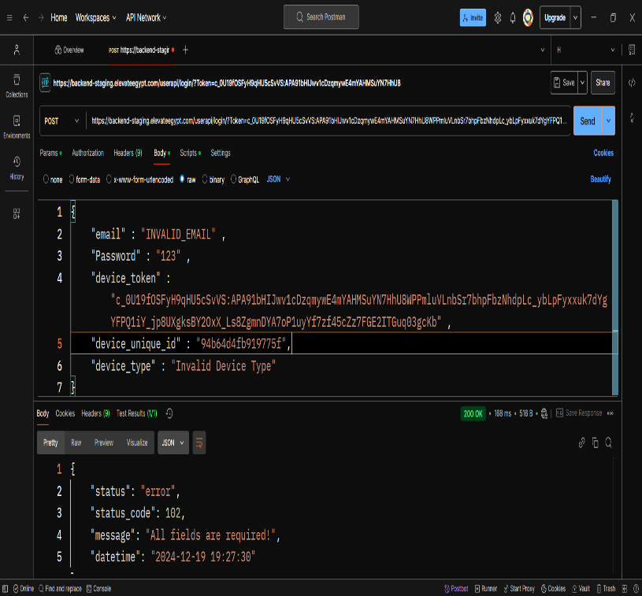 | Fail
TC003 | User login with invalid credentials | Login with invalid password | User have a valid URL | 1- Open Postman 2- Putting the URL 3- Select POST requist 4- Go to the body and write invalid password and valid (email , device_token , device_unique_id , version , device_type) 5- Go to script and write test script 6- Click on Send Button | 1-Open Postman 2- Putting URL "https://backend-staging.elevateegypt.com/userapi/login/" 3- Select POST requist 4- Writ valid credentials A- Email : "sapopi1262@gianes.com" B- device_token : "c_0U19fOSFyH9qHU5cSvVS:APA91bHIJwv1cDzqmywE4mYAHMSuYN7HhU8WPPmluVLnbSr7bhpFbzNhdpLc_ybLpFyxxuk7dYgYFPQ1iY_jp8UXgksBY2OxX_Ls8ZgmnDYA7oP1uyYf7zf45cZz7FGE2ITGuq03gcKb" C- device_unique_id : "94b64d4fb919775f" D- version : "1.0.28" E- device_type : "a" F- password : "1" 5- Test Script : "pm.test(Status code is 200) | Response 400 with error message for wrong password | Response 200 with access token and user ID | 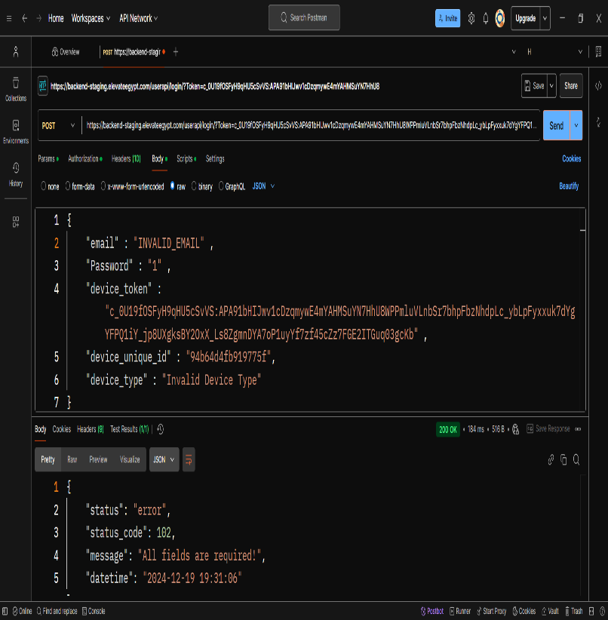 | Fail
TC004 | User login with invalid credentials | Login with invalid minimum email length | User have a valid URL | 1- Open Postman 2- Putting the URL 3- Select POST requist 4- Go to the body and write valid (email , password , device_token , device_unique_id , version , device_type) 5- Go to script and write test script 6- Click on Send Button | 1-Open Postman 2- Putting URL "https://backend-staging.elevateegypt.com/userapi/login/" 3- Select POST requist 4- Writ valid credentials A- Email : "a@b.com" B- Password : "123" C- device_token : "c_0U19fOSFyH9qHU5cSvVS:APA91bHIJwv1cDzqmywE4mYAHMSuYN7HhU8WPPmluVLnbSr7bhpFbzNhdpLc_ybLpFyxxuk7dYgYFPQ1iY_jp8UXgksBY2OxX_Ls8ZgmnDYA7oP1uyYf7zf45cZz7FGE2ITGuq03gcKb" D- device_unique_id : "94b64d4fb919775f" E- version : "1.0.28" F- device_type : "a" 5- Test Script : "pm.test("Status code is 200" | Response 400 with error message for invalid email | Response 200 with access token and user ID | 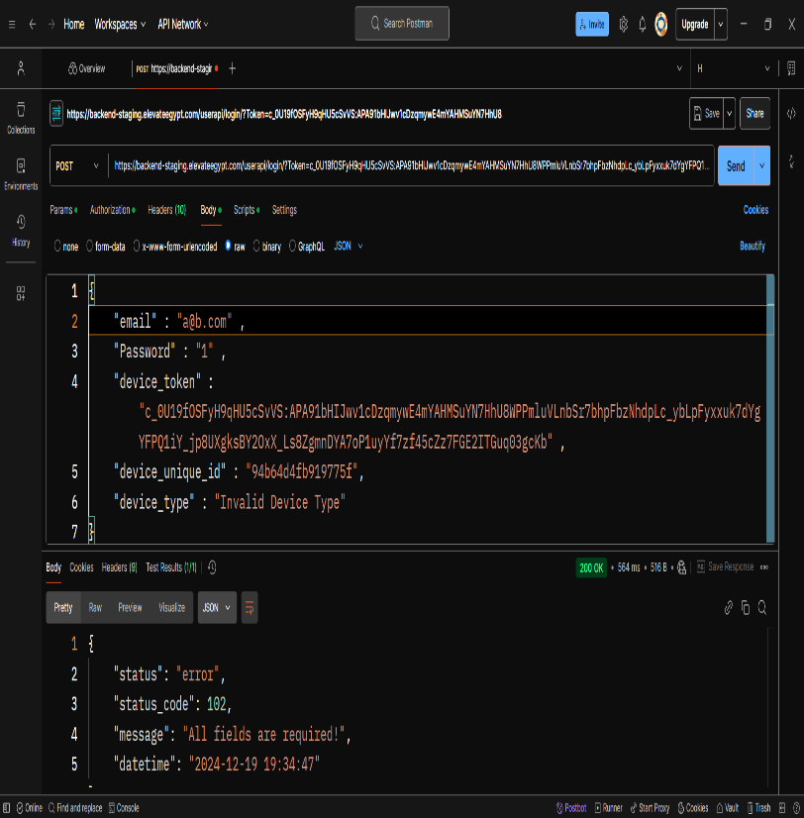 | Fail
TC005 | User login with invalid credentials | Login with maximum email length | User have a valid URL | 1- Open Postman 2- Putting the URL 3- Select POST requist 4- Go to the body and write valid (email , password , device_token , device_unique_id , version , device_type) 5- Go to script and write test script 6- Click on Send Button | 1-Open Postman 2- Putting URL "https://backend-staging.elevateegypt.com/userapi/login/" 3- Select POST requist 4- Writ valid credentials A- Email : "a".repeat(64) + "@domain.com" B- Password : "123" C- device_token : "c_0U19fOSFyH9qHU5cSvVS:APA91bHIJwv1cDzqmywE4mYAHMSuYN7HhU8WPPmluVLnbSr7bhpFbzNhdpLc_ybLpFyxxuk7dYgYFPQ1iY_jp8UXgksBY2OxX_Ls8ZgmnDYA7oP1uyYf7zf45cZz7FGE2ITGuq03gcKb" D- device_unique_id : "94b64d4fb919775f" E- version : "1.0.28" F- device_type : "a" 5- Test Script : "pm.test("Status code is 200" | Status code: 400 the email exceeds the limit | Response 200 with access token and user ID | 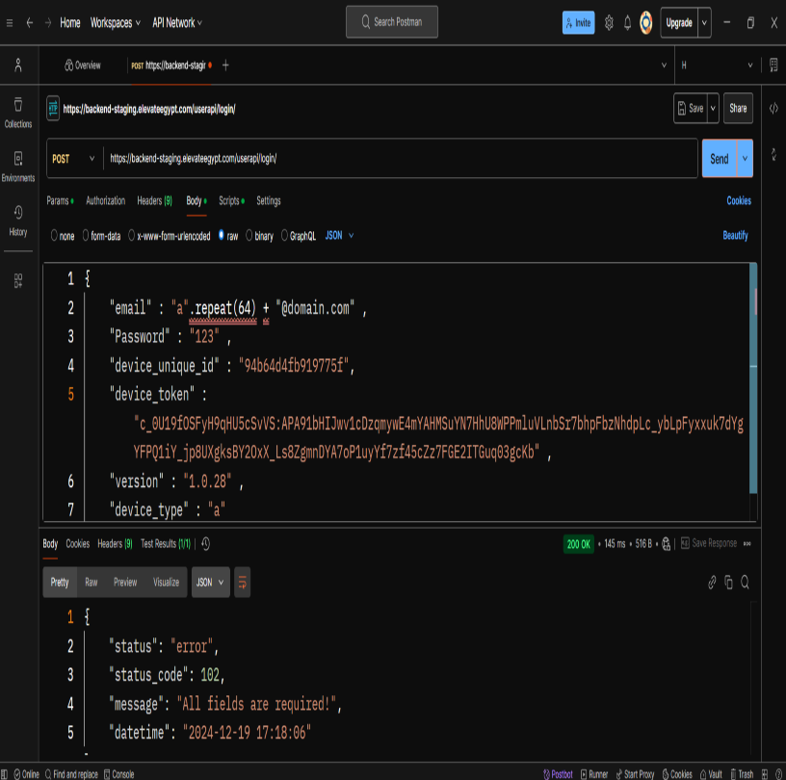 | Fail
TC006 | User login with invalid credentials | Login with empty password | User have a valid URL | 1- Open Postman 2- Putting the URL 3- Select POST requist 4- Go to the body and write valid (email , password , device_token , device_unique_id , version , device_type) 5- Go to script and write test script 6- Click on Send Button | 1-Open Postman 2- Putting URL "https://backend-staging.elevateegypt.com/userapi/login/" 3- Select POST requist 4- Writ valid credentials A- Email : "sapopi1262@gianes.com" B- Password : "" C- device_token : "c_0U19fOSFyH9qHU5cSvVS:APA91bHIJwv1cDzqmywE4mYAHMSuYN7HhU8WPPmluVLnbSr7bhpFbzNhdpLc_ybLpFyxxuk7dYgYFPQ1iY_jp8UXgksBY2OxX_Ls8ZgmnDYA7oP1uyYf7zf45cZz7FGE2ITGuq03gcKb" D- device_unique_id : "94b64d4fb919775f" E- version : "1.0.28" F- device_type : "a" 5- Test Script : "pm.test("Status code is 200" | Status code: 400 Response Body: Error message like "Password is required" | Response 200 with access token and user ID | 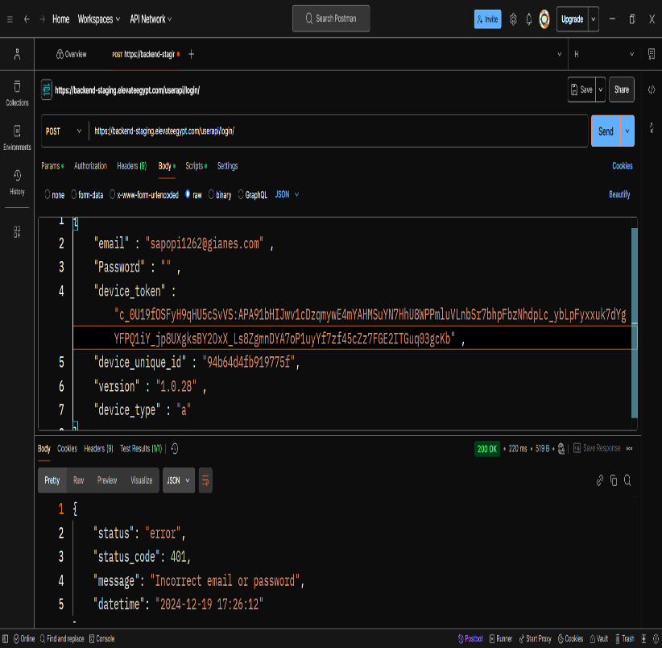 | Fail
TC007 | User login with invalid credentials | Login with maximum device token length | User have a valid URL | 1- Open Postman 2- Putting the URL 3- Select POST requist 4- Go to the body and write valid (email , password , device_token , device_unique_id , version , device_type) 5- Go to script and write test script 6- Click on Send Button | 1-Open Postman 2- Putting URL "https://backend-staging.elevateegypt.com/userapi/login/" 3- Select POST requist 4- Writ valid credentials A- Email : "sapopi1262@gianes.com" B- Password : "123" C- device_token : "a".repeat(256)20369khgn" D- device_unique_id : "94b64d4fb919775f" E- version : "1.0.28" F- device_type : "a" 5- Test Script : "pm.test("Status code is 200" | Status code: 400 Response Body: Error message like "Device token exceeds maximum length" | Response 200 with access token and user ID | 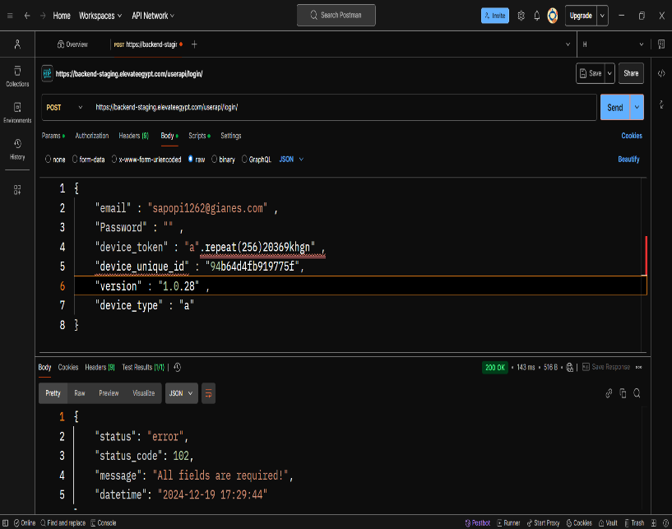 | Fail
TC008 | User login with invalid credentials | Login with invalid Device Type | User have a valid URL | 1- Open Postman 2- Putting the URL 3- Select POST requist 4- Go to the body and write valid (email , password , device_token , device_unique_id , version , device_type) 5- Go to script and write test script 6- Click on Send Button | 1-Open Postman 2- Putting URL "https://backend-staging.elevateegypt.com/userapi/login/" 3- Select POST requist 4- Writ valid credentials A- Email : "sapopi1262@gianes.com" B- Password : "123" C- device_token : "c_0U19fOSFyH9qHU5cSvVS:APA91bHIJwv1cDzqmywE4mYAHMSuYN7HhU8WPPmluVLnbSr7bhpFbzNhdpLc_ybLpFyxxuk7dYgYFPQ1iY_jp8UXgksBY2OxX_Ls8ZgmnDYA7oP1uyYf7zf45cZz7FGE2ITGuq03gcKb" D- device_unique_id : "94b64d4fb919775f" E- version : "1.0.28" F- device_type : "Invalid Device Type" 5- Test Script : "pm.test("Status code is 200" | Status code: 400 Response Body: Error message like "Invalid device type" | Response 200 with access token and user ID | 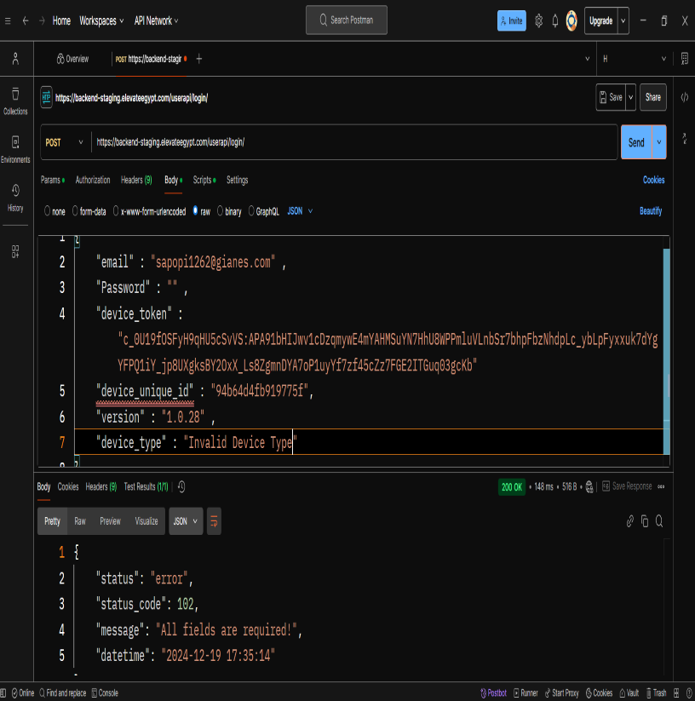 | Fail
TC009 | User login with invalid credentials | Login with missing version field | User have a valid URL | 1- Open Postman 2- Putting the URL 3- Select POST requist 4- Go to the body and write valid (email , password , device_token , device_unique_id , version , device_type) 5- Go to script and write test script 6- Click on Send Button | 1-Open Postman 2- Putting URL "https://backend-staging.elevateegypt.com/userapi/login/" 3- Select POST requist 4- Writ valid credentials A- Email : "sapopi1262@gianes.com" B- Password : "123" C- device_token : "c_0U19fOSFyH9qHU5cSvVS:APA91bHIJwv1cDzqmywE4mYAHMSuYN7HhU8WPPmluVLnbSr7bhpFbzNhdpLc_ybLpFyxxuk7dYgYFPQ1iY_jp8UXgksBY2OxX_Ls8ZgmnDYA7oP1uyYf7zf45cZz7FGE2ITGuq03gcKb" D- device_unique_id : "94b64d4fb919775f" E- version : "" F- device_type : "a" 5- Test Script : "pm.test("Status code is 200" | Status code: 400 Response Body: Error message like "Version is required" | Response 200 with access token and user ID | 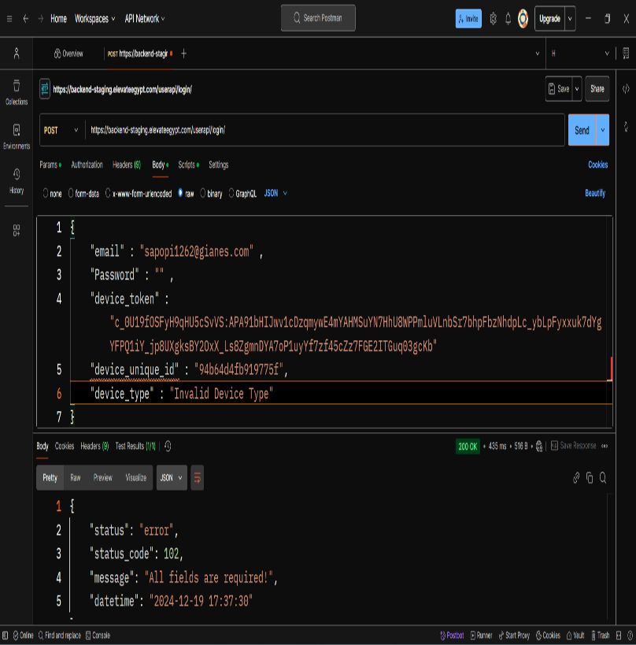 | Fail
TC010 | User login with invalid credentials | Login with invalid token signatures | User have a valid URL | 1- Open Postman 2- Putting the URL 3- Select POST requist 4- Go to the body and write valid (email , password , device_token , device_unique_id , version , device_type) 5- Go to script and write test script 6- Click on Send Button | 1-Open Postman 2- Putting URL "https://backend-staging.elevateegypt.com/userapi/login/" 3- Select POST requist 4- Writ valid credentials A- Email : "sapopi1262@gianes.com" B- Password : "123" C- device_token : "invalid_token" D- device_unique_id : "94b64d4fb919775f" E- version : "1.0.28" F- device_type : "a" 5- Test Script : "pm.test("Status code is 200" | Status code: 401 Response Body: Error message like "Invalid token" | Response 200 with access token and user ID | 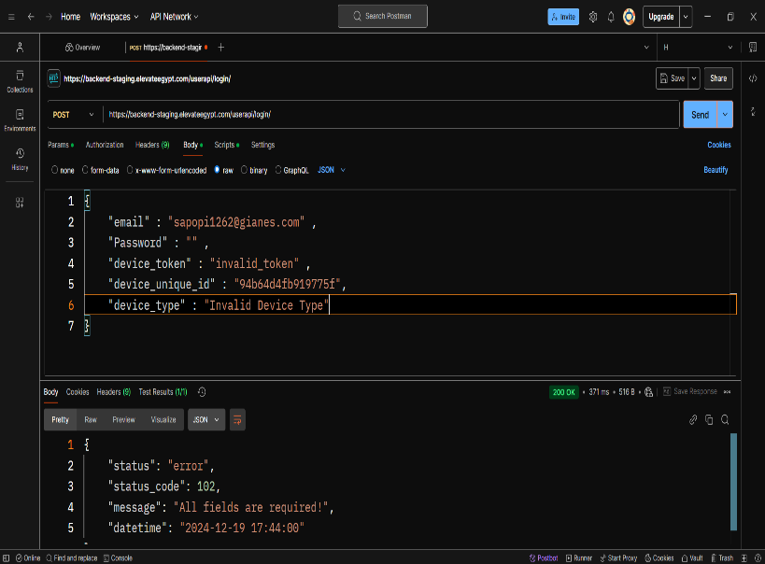 | Fail

TaskIII GET
Test ID | Test Scenario | Description | Pre-Conditions | Test Steps | Test Data | Expected Result | Actual Result | Screen Shoots | Status | Version | Device | Application | Connection | Excuted By | Created By | Viewed By | Test Date
TC001 | Valid access token & user ID | Validate the response with valid access token and user ID | User have a valid URL | 1- Open Postman 2- Putting the URL 3- Select GET requist 4- Send GET request with valid 'access_token' and 'user_id' 5- Go to script and write test script 6- Click on Send Button | 1-Open Postman 2- Putting URL "https://backend-staging.elevateegypt.com/userapi/v1/get-user-referral-code/" 3- Select GET requist 4- "access_token=VALID_TOKEN, user_id=VALID_USER_ID" 5- Test Script : A- Status code is 200,201 B- Response time is less than 500ms | Response 200 and Referral code is returned | Response 404 | 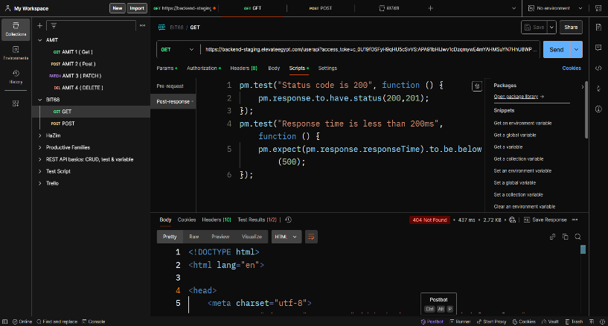 | Fail | V1 | Lenovo | Postman | 4G | Eng. HaZim Aly | Eng. HaZim Aly |  | 19/12/2024
TC002 | Invalid access token & user ID | Validate the response with an invalid access token | User have a valid URL | 1- Open Postman 2- Putting the URL 3- Select GET requist 4- Send GET request with invalid 'access_token' and valid 'user_id' 5- Go to script and write test script 6- Click on Send Button | 1-Open Postman 2- Putting URL "https://backend-staging.elevateegypt.com/userapi/v1/get-user-referral-code/" 3- Select GET requist 4- access_token=INVALID_TOKEN, user_id=VALID_USER_ID 5- Test Script : A- Status code is 401 B- Response time is less than 500ms | Response 401. Error message: 'Invalid access token | Response 404 | 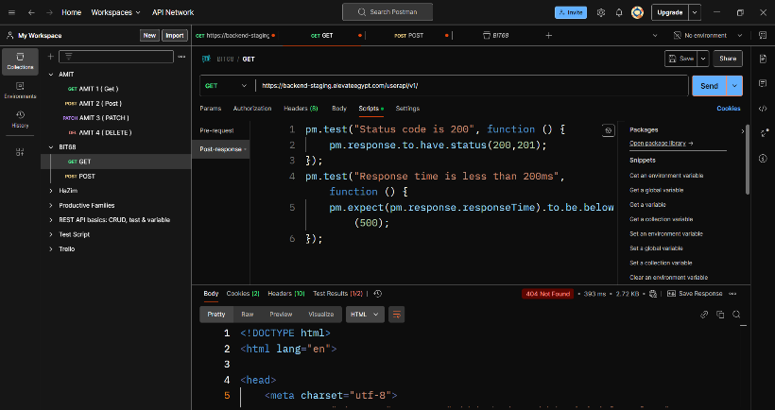 | Fail
TC003 | Valid user ID and without access token | Validate the response with a missing access token | User have a valid URL | 1- Open Postman 2- Putting the URL 3- Select GET requist 4- Send GET request without 'access_token' 5- Go to script and write test script 6- Click on Send Button | 1-Open Postman 2- Putting URL "https://backend-staging.elevateegypt.com/userapi/v1/get-user-referral-code/" 3- Select GET requist 4- user_id=VALID_USER_ID 5- Test Script : A- Status code is 200,201 B- Response time is less than 500ms | Response 400. Error message: 'Access token is required' | Response 404 | 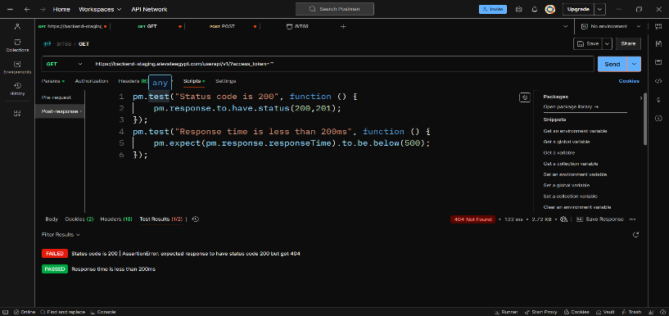 | Fail
TC004 | Valid access token & invalid user ID | Validate the response with an invalid user ID | User have a valid URL | 1- Open Postman 2- Putting the URL 3- Select GET requist 4- Send GET request with invalid 'user_id' 5- Go to script and write test script 6- Click on Send Button | 1-Open Postman 2- Putting URL "https://backend-staging.elevateegypt.com/userapi/v1/get-user-referral-code/" 3- access_token=VALID_TOKEN, user_id=INVALID_USER_ID 5- Test Script : A- Status code is 200,201 B- Response time is less than 500ms | Response 404. Error message: 'User not found' | Response 404 | 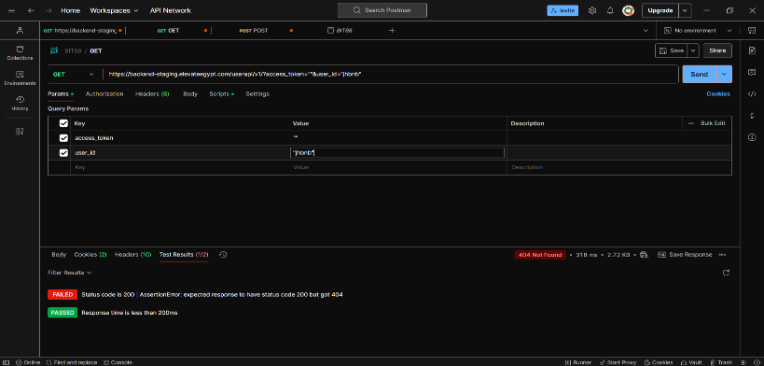 | Fail
TC005 | Valid access token & user ID | Validate the response time is under 500ms | User have a valid URL | 1- Open Postman 2- Putting the URL 3- Select GET requist 4- Send GET request with valid 'access_token' and 'user_id' 5- Go to script and write test script 6- Click on Send Button | 1-Open Postman 2- Putting URL "https://backend-staging.elevateegypt.com/userapi/v1/get-user-referral-code/" 3- access_token=VALID_TOKEN, user_id=VALID_USER_ID 5- Test Script : A- Status code is 200,201 B- Response time is less than 500ms | Response time < 500ms with status code 200 | Response 404 and 505ms | 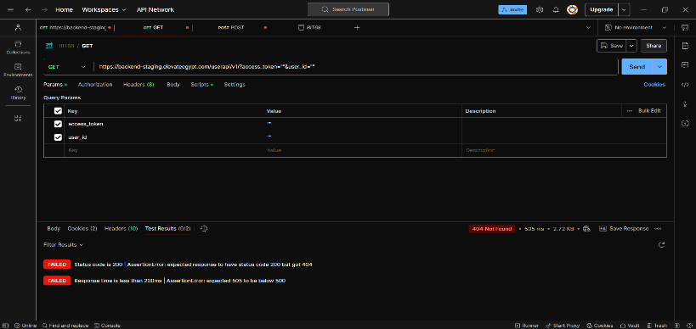 | Fail
TC006 | User login with invalid credentials | Validate the referral code is not null | User have a valid URL | 1- Open Postman 2- Putting the URL 3- Select GET requist 4- Send GET request with valid 'access_token' and 'user_id' 5- Go to script and write test script 6- Click on Send Button | 1-Open Postman 2- Putting URL "https://backend-staging.elevateegypt.com/userapi/v1/get-user-referral-code/" 3- access_token=VALID_TOKEN, user_id=VALID_USER_ID 5- Test Script : A- Status code is 200,201 B- Response time is less than 500ms | Referral code is not null and stored in environment variable | Response 404 | 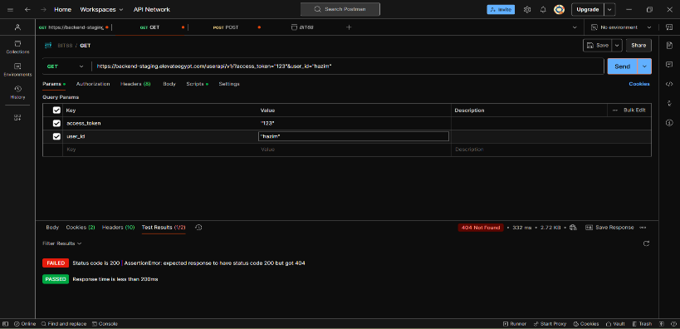 | Fail

